Notes
IDEA6928 - ICS | Business Case Notes
Project Document Revision 0
 | Last Updated MM/DD/YY

ID | Notes | REQ | Responsible Party | Verified By:
1 | ICS = International Certificate System |  |  |  | Inputs
2 | Dot Net application built in "Technical" database with a separate schema at 2005 level |  |  |  | SAP > ICS
3 | Technical db is Oracle 10 level |  |  |  | ICS > update Z-tables for sales
4 | ?? Would like to go to Oracle 12c if possible, that might only happen if migrate the db schema to another separate db or a new Technical db? |  |  |  | interface 8265
5 | Need to check with Jill S if Technical db activity?? |  | Jill Schroeder |  | Asynchronous (only initiates the operation) - update table ZOTCSO_PROD CERT
6 | Purpose : origonal need was a place to assign different Country certification identifies for each finished SKU/Tire. |  |  |  | Synchronous (blocks a process till the operation completes) - pulls from SAP
7 | Reports need revising? In Crystal Reports - if so what reports>
8 | update and make better if not too much time/cost |  |  |  | CMDR - SAP for inputs for ICS
9 | Quality Dept Mario Martin - super user |  |  |  | FA0017 - Technical db and views from CMDR
10 | Locate in Tech building left off main hallway before take doorway to Curtis
11 | UI was created to show data that was pulled from SAP
12 | Job runs at night looking for a change in Ztables (which ones?)
13 | when receive a customer order, in a country that does not have the Country - Certificate - SKU combination, the order will be put on "Blocked Order"
14
15 | Check |  |  |  | Notes form Jill Seitz
16 | Webserveres |  |  |  | FA0092 - Production Server
17 | database layer servers |  |  |  | FA0091 - QA
18 | business layer servers |  |  |  | FA0090 - Development
19 | database (Technical)
20 | SAP interface |  |  |  | Corporate web server - is being updated to Framework - 4.0 or 4.5
21 | Jobs that run and when
22 | Oracle db level 11g or 12c
23 | migrate schema to another Oracle 12c environment
24 | Report changes |  | None found
25 | SNOW requests |  | None found
26 | Look at the incidents to get an idea of which requests should be a priority |  | None found
27 | look at SDR in Sharepoint
28

Chris Wolfe | On this side of the street, we are using .Net 2013 for application development.
 | ICS database does have procedures pointing to materialized views in the BOM database in SKU_Master so upgrading to 11.2.0.4 is preferred. There’s the possibility these procedures could be rewritten as part of the project if we really want to move to Oracle 12.
 | Curtis, are there any Oracle 12 databases for our custom developed applications yet? Not yet…
 | Also, there is an API that gets called that has links into the TRACS schema on the Technical database (Oracle 10). At this point, the TRACS portion could be eliminated (it was originally to pull tire testing test results from TRACS, but now that all test data is in SAP, and they don’t need to go back further than what it is in SAP). So this probably needs to be considered as part of the upgrade.

Curtis Farthing | The standard for Oracle databases is version 12.2 or higher running on Windows 2016. The only exception would be applications that need database links back to Oracle 9i; in which case we would use Oracle 11g running on Windows 2012.

Jill Schroeder | Technology database - new one started at the Oracle 11g level

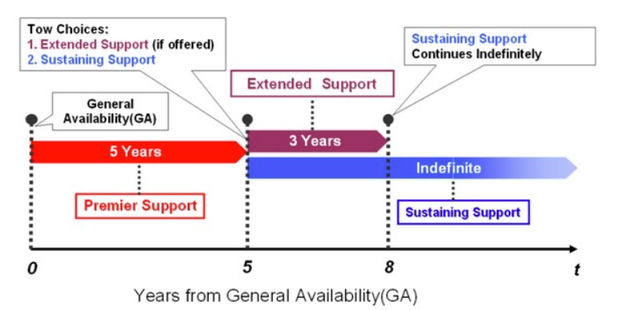
 |  | 11.2.0.4 | Oracle 11g support through December 2020
 |  |  | https://apex.oracle.com/database-features/

 |  |  | 19c
 |  |  | 18c
 |  | 12.2.0.1 | 12c releae 2
 |  | 12.1 | 12c realease 1 | Jul-19
 |  | 11.2.0.4 | 11g releae 2

Custom Z-tables in SAP
ZOTCSO_CERTREO | is a certification required
ZOTCSO_CERTTYPE | what type of certifcation is needed
ZOTCSO_PRODCERT | what product it relates to

